grain size analysis
* grain-size distribution of bed material (2006) _ BM-54
 | Passing Percentage (%)
체 크기 sieve size (mm) | 16 | 8 | 4 | 2 | 1 | 0.5 | 0.25 | 0.125 | 0.0625 | Pan
평균 (mean) | 90.8 | 89.4 | 87.3 | 83.9 | 77.8 | 43.1 | 6.4 | 1.1 | 0.1 | 0

* grain-size distribution of bed material (2007) _ BM-54
 | Passing Percentage (%)
체 크기 sieve size (mm) | 16 | 8 | 4 | 2 | 1 | 0.5 | 0.25 | 0.125 | 0.0625 | Pan
평균 (mean) | 100 | 90.8 | 82.9 | 79.1 | 75.8 | 71.1 | 46.7 | 14.4 | 8.7 | 7.2

before the flood (2007)
after the flood (2007)
mean
percent passing(%)
particle size (mm)
particle size time | D35(mm) | D50(mm) | D65(mm) | D90(mm) | 균등계수 Coefficient of uniformity (Cu) | 곡률계수 Coefficient of curvature (Cg)
홍수전 (before the flood) | 0.33 | 0.42 | 0.67 | 6.38 | 5.45 | 0.19
홍수후(after the flood ) | 0.22 | 0.27 | 0.42 | 7.65 | 3.00 | 0.29
 |  | 0.345 | 0.545

* grain-size distribution of bed material (2008) _ BM-54, Grab sampler(60L)
 | Passing Percentage (%)
체 크기 sieve size (mm) | 16 | 8 | 4 | 2 | 1 | 0.5 | 0.25 | 0.125 | 0.0625 | Pan
홍수 전 평균 (mean_before the flood) | 100 | 78.95 | 71.6 | 62.2 | 51.45 | 42 | 21 | 6.65 | 3.2 | 0.05
홍수 후 평균 (mean_before the flood) | 100 | 93.3 | 86.2 | 81.5 | 73 | 59.1 | 27.7 | 9.2 | 1.7 | 0.4
before the flood (2008)
after the flood (2008)
mean
percent passing(%)
particle size (mm)
particle size time | D35(mm) | D50(mm) | D65(mm) | D90(mm) | 균등계수 Coefficient of uniformity (Cu) | 곡률계수 Coefficient of curvature (Cg)
홍수전 (before the flood) | 16.41 | 26.32 | 31.12 | 50.10 | 121.38 | 8422.31
홍수후(after the flood ) | 0.36 | 0.53 | 1.86 | 10.80 | 6.27 | 0.60
 |  | 13.43 | 16.49

before the flood (2009)
after the flood (2009)
mean
percent passing(%)
particle size (mm)
* grain-size distribution of bed material (2009) _ Grab sampler(60L)
particle size time | D35(mm) | D50(mm) | D65(mm) | D90(mm) | 균등계수 Coefficient of uniformity (Cu) | 곡률계수 Coefficient of curvature (Cg)
홍수전 (before the flood) | 3.16 | 12.15 | 37.56 | 81.72 | 75.54 | 0.26
홍수후(after the flood ) | 0.95 | 3.23 | 8.72 | 71.00 | 30.05 | 0.28
 |  | 7.69 | 23.14

before the flood (2010)
after the flood (2010)
mean
percent passing(%)
particle size (mm)
* grain-size distribution of bed material (2010) _ Grab sampler(60L)
particle size time | D35(mm) | D50(mm) | D65(mm) | D90(mm) | 균등계수 Coefficient of uniformity (Cu) | 곡률계수 Coefficient of curvature (Cg)
평군 (mean) | 4.12 | 0.90 | 1.16 | 16.11 | 3.63 | 0.97

before the flood (2011)
after the flood (2011)
mean
percent passing(%)
particle size (mm)
* grain-size distribution of bed material (2011) _ grid sampling(Hack_1947)
particle size time | D35(mm) | D50(mm) | D65(mm) | D90(mm) | 균등계수 Coefficient of uniformity (Cu) | 곡률계수 Coefficient of curvature (Cg)
평군 (mean) | 0.60 | 0.82 | 1.04 | 5.80 | 3.16 | 0.95

* grain-size distribution of bed material (2012) _ grid sampling(Hack_1947)

* particle size distribution of suspended sediment (2012) |  |  |  |  |  |  |  |  |  |  | * grain-size distribution of bed material (2012)

No | particle size distribution of suspended sediment (%) |  |  |  |  |  |  |  |  |  | particle size time | D10 | D30 | D35 | D60 | D65 | 균등계수 Coefficient of uniformity (Cu) | 곡률계수 Coefficient of curvature (Cg)
 | range (mm) |  |  |  |  |  |  |  | sum |  | 홍수전 (before the flood) | 0.25 | 0.39 | 0.42 | 0.68 | 0.76 | 1.73 | 0.91
 | 0.0020~ | 0.0222~ | 0.0313~ | 0.0423~ | 0.0626~ | 0.1251~ | 0.2501~ | 0.5001~ |  |  | 홍수후(after the flood ) | 0.25 | 0.46 | 0.50 | 0.80 | 0.87 | 1.76 | 1.04
 | 0.0221 | 0.0312 | 0.0422 | 0.0625 | 0.125 | 0.25 | 0.5 | 1 |  |  | 평균 (mean) | 0.25 | 0.42 | 0.45 | 0.74 | 0.82 | 1.78 | 0.94
1 | 45.4 | 19.9 | 26.3 | 5.8 | 2.6 | 0 | 0 | 0 | 100 |  | particle size time | D5 | D10 | D15 | D20 | D25 | D30 | D35 | D40 | D45 | D50 | D55 | D60 | D65 | D70 | D75 | D80 | D85 | D90 | D95 | D100
2 | 48.2 | 19.1 | 21.4 | 8.7 | 2.6 | 0 | 0 | 0 | 100 |  | 홍수전 (before the flood) | 0.21 | 0.25 | 0.29 | 0.33 | 0.37 | 0.39 | 0.42 | 0.45 | 0.48 | 0.55 | 0.61 | 0.68 | 0.76 | 0.82 | 0.92 | 1.13 | 2.73 | 5.86 | 10.93 | 16.00
3 | 51.1 | 14.6 | 23.4 | 8 | 2.9 | 0 | 0 | 0 | 100 |  | 홍수후 (after the flood ) | 0.20 | 0.25 | 0.32 | 0.37 | 0.42 | 0.46 | 0.50 | 0.58 | 0.63 | 0.69 | 0.74 | 0.80 | 0.87 | 0.95 | 1.20 | 3.52 | 6.66 | 9.86 | 13.05 | 16.00
4 | 48.6 | 18.1 | 23.1 | 8.2 | 2 | 0 | 0 | 0 | 100 |  | 평균 (mean) | 0.20 | 0.25 | 0.30 | 0.34 | 0.38 | 0.42 | 0.45 | 0.49 | 0.55 | 0.63 | 0.68 | 0.74 | 0.82 | 0.88 | 1.00 | 2.00 | 4.40 | 8.00 | 12.52 | 16.00
5 | 47.5 | 14.1 | 27.1 | 8.8 | 2.5 | 0 | 0 | 0 | 100
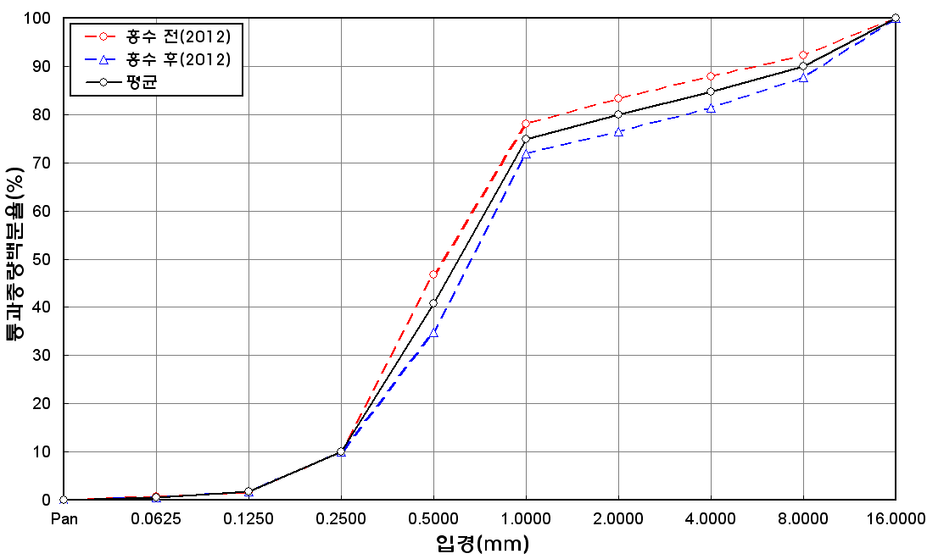
before the flood (2012)
after the flood (2012)
mean
percent passing(%)
particle size (mm)
6 | 46.7 | 13.6 | 27 | 8.8 | 3.9 | 0 | 0 | 0 | 100
7 | 45.5 | 16.1 | 26.8 | 8.5 | 3 | 0.1 | 0 | 0 | 100
8 | 48.9 | 16.5 | 22.8 | 8 | 3.8 | 0 | 0 | 0 | 100
9 | 49 | 17 | 22.2 | 6.6 | 4.6 | 0.4 | 0.2 | 0 | 100
10 | 48.3 | 18.5 | 25.6 | 3.9 | 3.7 | 0 | 0 | 0 | 100
11 | 47.9 | 21.3 | 20.6 | 6 | 4.2 | 0 | 0 | 0 | 100
12 | 47.3 | 20 | 21.2 | 7.4 | 4.1 | 0 | 0 | 0 | 100
13 | 48.4 | 16.9 | 23.4 | 7.9 | 3.4 | 0 | 0 | 0 | 100
14 | 46.4 | 18 | 23.2 | 8 | 4.4 | 0 | 0 | 0 | 100
15 | 47.6 | 17.9 | 22.7 | 8.1 | 3.7 | 0 | 0 | 0 | 100
16 | 47.9 | 17.1 | 23.1 | 7.8 | 4.1 | 0 | 0 | 0 | 100
17 | 46.1 | 19.5 | 19.5 | 10.8 | 4 | 0.1 | 0 | 0 | 100
18 | 47 | 17.5 | 22.8 | 8.8 | 3.9 | 0 | 0 | 0 | 100
19 | 46.1 | 16.3 | 24.6 | 8.6 | 4.3 | 0.1 | 0 | 0 | 100
20 | 47 | 16.5 | 24.5 | 7.9 | 4.1 | 0 | 0 | 0 | 100
min | 45.4 | 13.6 | 19.5 | 3.9 | 2 | 0 | 0 | 0 | -
max | 51.1 | 21.3 | 27.1 | 10.8 | 4.6 | 0.4 | 0.2 | 0 | -
mean | 47.5 | 17.4 | 23.6 | 7.8 | 3.6 | 0 | 0 | 0 | 100

